calculation sheet
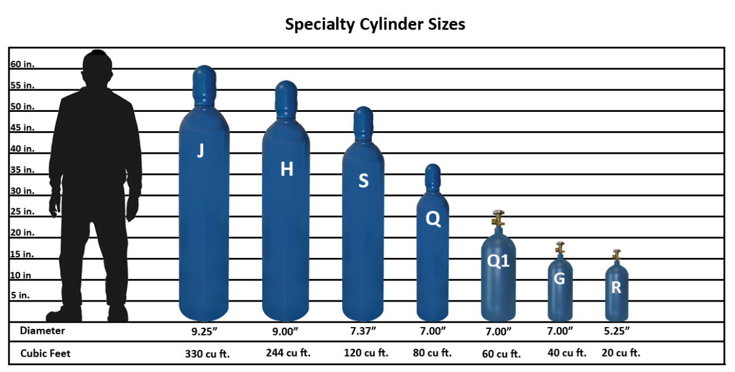
Determine number of compressed gas cylinders needed to pressurize expansion tank |  |  | Typical compressed gas cylinder designation (ft3) |  | GAP at 2200 psig (Gal-psia)
Tank size | 1,000 | gal | 20 | R | 2,012
Start pressure | 40 | psig | 40 | G | 4,023
Final pressure | 90 | psig | 60 | Q1 | 6,035
Cylinder size | 330 | Cu.Ft. | 80 | Q | 8,047
Cylinder pressure | 2,200 | psig | 120 | S | 12,070
GAP required | 50,000 | GAP | 244 | H | 24,542
number of tanks | 1.6 |  | 330 | J | 33,192

 |  |  | Compressed gas cylinder pressure (psig)
 |  |  | 2,200

